VBA_Amer
VBA Function for European/American Binomial Price

You will see a function "Binomial" in the module named "BOPM"
Use exact the same input we used earlier

Option | Function argument
euro or amer | optStyle | amer
Call or Put (c or p) | optType | p
Stock price | S0 | 50
Strike price | K | 50
Time to maturity | T | 0.5 | YEAR
Riskfree rate | r | 8.0%
Dividend yield | q | 3.0%
Volatilty | v | 20.0%
Number of steps | n | 9

 | VBA Binomial
Option Price | 2.37 | <-- =binomial(C7,C8,C9,C10,C11,C12,C13,C14,C15)
 |  | <= These values are consistent with our earlier computation using spreadsheet
So, we see the power of VBA, which makes all our calculation much easier

American Option Price
Change of Binomial Price with Step Number (n)

Number of steps | American put | American call
2 | 2.16 | 3.08
5 | 2.41 | 3.53
10 | 2.27 | 3.32
15 | 2.35 | 3.44
20 | 2.29 | 3.36
50 | 2.30 | 3.38
100 | 2.30 | 3.39
200 | 2.31 | 3.39
500 | 2.31 | 3.39
1000 | 2.31 | 3.39

AAPLoption
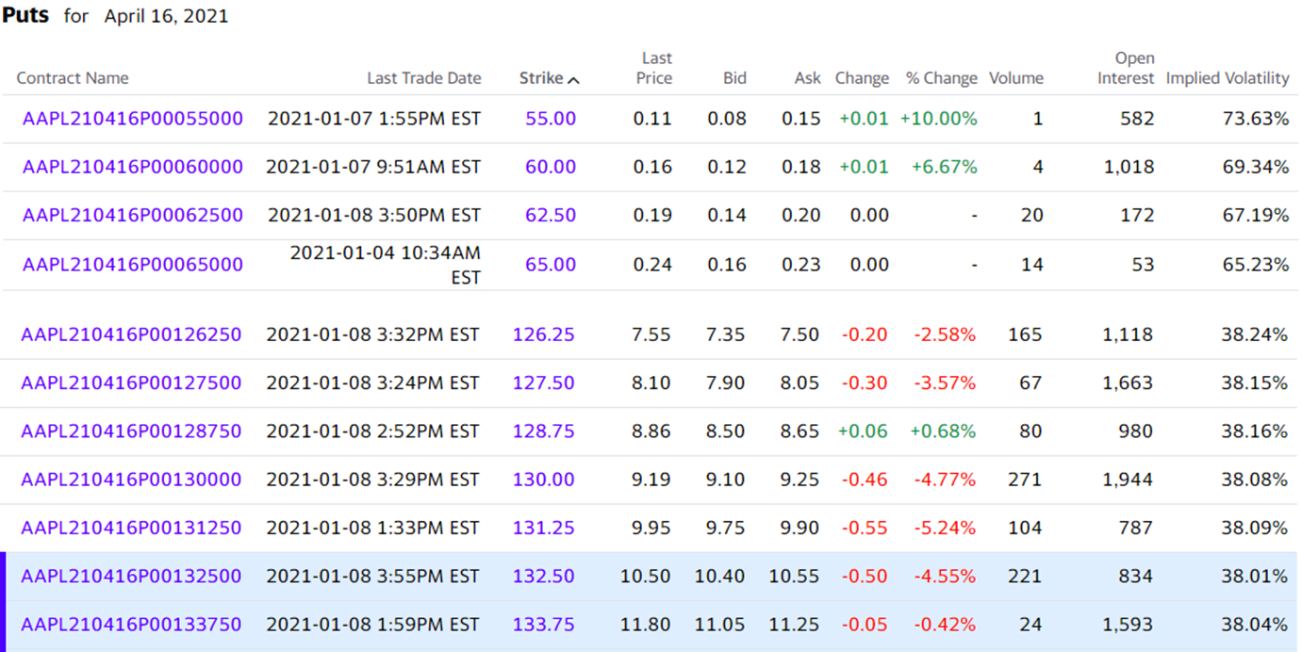
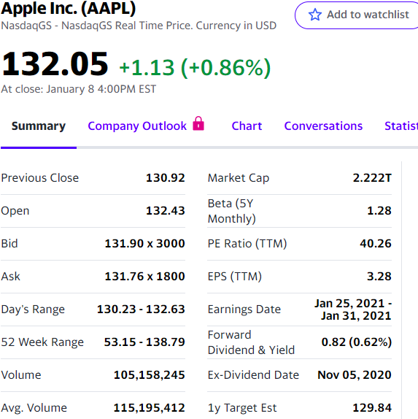
Binomial Pricing of American Options for Stocks with Known Dividend Yield
Annual frequency
Option class | amer
Option type | p
Stock price (S) | $132.05 | (on 8-Jan-21)
Exercise price (K) | $130.00
Current date | 2021-01-08
Option expiration date | 2021-04-16
Time to maturity (T, years) | 0.2685 | <-- =(B8-B7)/365
Interest rate (r, annual) | 9.000E-04 | (on 7-Jan-21)
Dividend yield (q, annual) | 0.62% | <-- =0.62%
Volatility (v, annual) | 33.54% | (historical estimation)
Number of steps (n) | 100

Option price (VBA Fn) | 8.185 | <-- =binomial(B3,B4,B5,B6,B9,B10,B11,B12,B13)

Market price of the option
Bid | 9.10
Ask | 9.25
Mid | 9.18 | <-- =(B19+B20)/2

